Quote
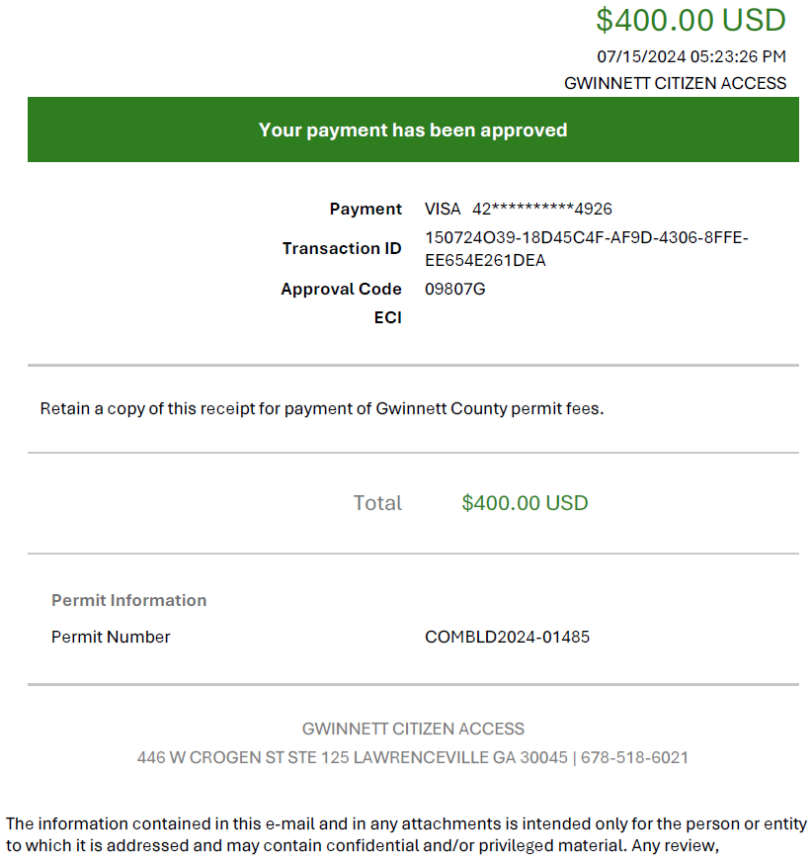


 |  | Invoice

 |  | Date | 2024-07-30
Contact: | Irina Perez Lara | Invoice # | Inv240730-6
Email: | irina@irhsmart.com | Prepared by: | Irina Perez
Phone: | 786.208.6889

Invoice to: |  | P&G Project Number: | 24-039
Company: | P&G DESIGN GROUP CORP. | P&G Project Name: | Bank of America
Address: | 6303 Blue Lagoon Drive. Miami. FL.33126 |  | Mall of Georgia, GA
Email: | lperez@pgengineeringdesign.com
Phone: | (786) 747-5018

 | BOA - MALL OF GEORGIA, GA | ATM PC
 | 1900 Mall of Georgia Blvd, Buford, GA 30519
Item # | SCOPE OF WORK |  | PRICE
1 | Provide permitting assistance in order to secure a construction permit as per below:
1.1 | Confirm all Jurisdictional requirements, departments, clearances, fees, permits needed, timelines, etc., required to approve the permit application. |  | $2,000.00
1.2 | Permit Submittal and Coordination with Jurisdiction.
1.3 | Permit Resubmittals due to comments.
1.4 | Coordination with jurisdiction due to owner modifications.

2 | Permit Fees (Attached Receipt)
2.1 | Permit Fee Gwinnett County - 07.15.24 |  | $400.00

 |  | Total Contracted | $2,400.00
 |  | Previous Payments | $-
 |  | Balance | $-
 |  | This Invoice | $2,400.00

Payment Methods:
Make Checks payable to IRH Smart LLC / 13912 SW 161st TERR, Miami, FL. 33177.
Make Zelle transfers to IRH Smart LLC using irina@irhsmart.com as contact info.

Thank you for your business!!!
PERMIT GWINNETT COUNTY FEE - 07.15.24

